Sheet1
Back Propagation in Detail

 |  |  |  | Neural Network

i1
h1
a_h1
o1
a_o1
w1 = 0.15
E1 = ½ * (t1 - a_o1)²
 |  |  |  |  |  |  |  |  |  |  |  |  | Learning Rate 0.1 |  |  |  |  | Learning Rate 0.2 |  |  |  |  | Learning Rate 0.5 |  |  |  |  | Learning Rate 0.8 |  |  | Learning Rate 1.0 | Learning Rate 2.0
w6 = 0.45
E_Total
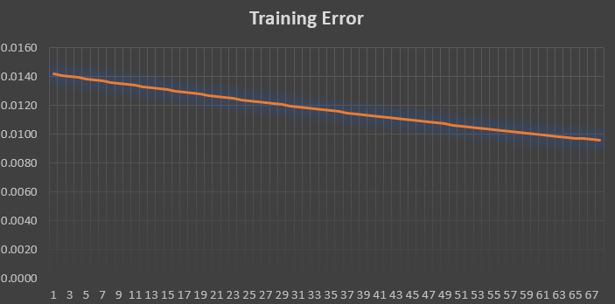
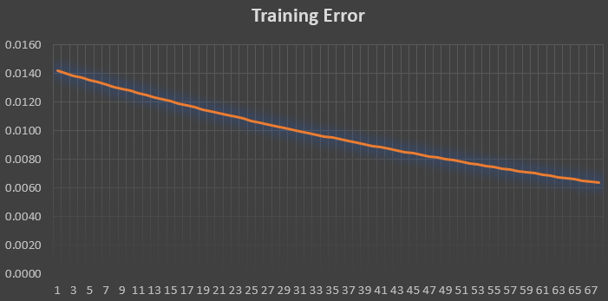
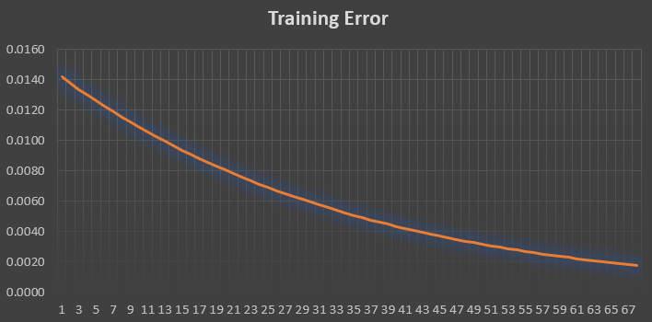
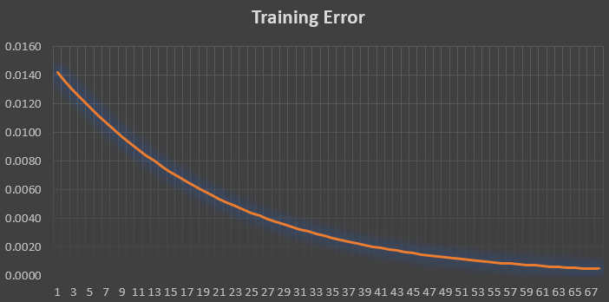
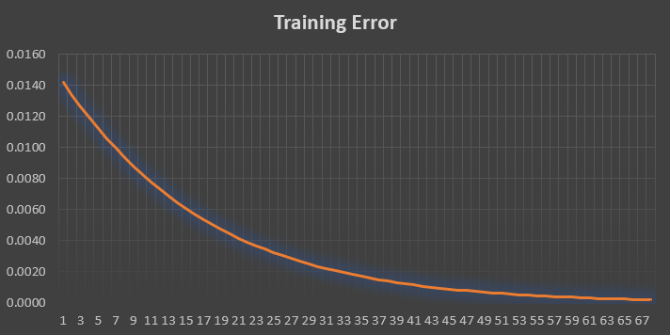
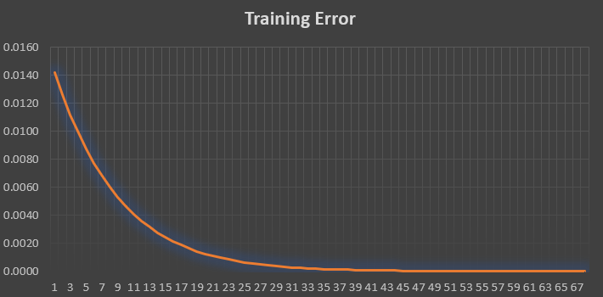
w2 = 0.2
t1
w7 = 0.5
t2
w3 = 0.25
i2
h2
a_h2
o2
a_o2
w4 = 0.3
w8 = 0.55
E2 = ½ * (t2 - a_o2)²

 |  |  |  | Gradient Calculation

Training Error
 |  | 1 |  |  | 2
 |  | h1 = w1*i1 + w2*i2 |  |  | ∂E_total/∂w5 = ∂(E1 + E2)/∂w5 |  |  |  |  |  |  |  |  |  | Error Plot
 |  | h2 = w3*i1 + w4*i2 |  |  | ∂E_total/∂w5 = ∂E1/∂w5
 |  | a_h1 = σ(h1) = 1/(1 + exp(-h1)) |  |  | ∂E_total/∂w5 = ∂E1/∂w5 = ∂E1/∂a_o1*∂a_o1/∂o1*∂o1/∂w5
 |  | a_h2 = σ(h2) |  |  | ∂E1/∂a_o1 = ∂(½ * (t1 - a_o1)²)/∂a_o1 = (a_01 - t1)
 |  | o1 = w5*a_h1 + w6*a_h2 |  |  | ∂a_o1/∂o1 = ∂(σ(o1))/∂o1 = a_o1 * (1 - a_o1)
 |  | o2 = w7*a_h1 + w8*a_h2 |  |  | ∂o1/∂w5 = a_h1
 |  | a_o1 = σ(o1) |  |  | 3
 |  | a_o2 = σ(o2) |  |  | ∂E_total/∂w5 = (a_01 - t1) * a_o1 * (1 - a_o1) * a_h1
 |  | E_total = E1 + E2 |  |  | ∂E_total/∂w6 = (a_01 - t1) * a_o1 * (1 - a_o1) * a_h2
 |  | E1 = ½ * (t1 - a_o1)² |  |  | ∂E_total/∂w7 = (a_02 - t2) * a_o2 * (1 - a_o2) * a_h1
 |  | E2 = ½ * (t2 - a_o2)² |  |  | ∂E_total/∂w8 = (a_02 - t2) * a_o2 * (1 - a_o2) * a_h2
 |  | 4
 |  | ∂E1/∂a_h1 = (a_01 - t1) * a_o1 * (1 - a_o1) * w5
 |  | ∂E2/∂a_h1 = (a_02 - t2) * a_o2 * (1 - a_o2) * w7
 |  | ∂E_total/∂a_h1 = (a_01 - t1) * a_o1 * (1 - a_o1) * w5 + (a_02 - t2) * a_o2 * (1 - a_o2) * w7
 |  | ∂E_total/∂a_h2 = (a_01 - t1) * a_o1 * (1 - a_o1) * w6 + (a_02 - t2) * a_o2 * (1 - a_o2) * w8
 |  | 5
 |  | ∂E_total/∂w1 = ∂E_total/∂a_h1 * ∂a_h1/∂h1 * ∂h1/∂w1
 |  | ∂E_total/∂w2 = ∂E_total/∂a_h1 * ∂a_h1/∂h1 * ∂h1/∂w2
 |  | ∂E_total/∂w3 = ∂E_total/∂a_h2 * ∂a_h2/∂h2 * ∂h2/∂w3
 |  | 6
 |  | ∂E_total/∂w1 = ((a_01 - t1) * a_o1 * (1 - a_o1) * w5 + (a_02 - t2) * a_o2 * (1 - a_o2) * w7) * a_h1 * (1 - a_h1) * i1
 |  | ∂E_total/∂w2 = ((a_01 - t1) * a_o1 * (1 - a_o1) * w5 + (a_02 - t2) * a_o2 * (1 - a_o2) * w7) * a_h1 * (1 - a_h1) * i2
 |  | ∂E_total/∂w3 = ((a_01 - t1) * a_o1 * (1 - a_o1) * w6 + (a_02 - t2) * a_o2 * (1 - a_o2) * w8) * a_h2 * (1 - a_h2) * i1
 |  | ∂E_total/∂w4 = ((a_01 - t1) * a_o1 * (1 - a_o1) * w6 + (a_02 - t2) * a_o2 * (1 - a_o2) * w8) * a_h2 * (1 - a_h2) * i2

 |  |  |  |  |  | Learning Rate
 |  |  |  |  |  | η = | 2 |  |  |  | Training Neural Network

t1 | t2 | i1 | i2 | w1 | w2 | w3 | w4 | h1 | a_h1 | h2 | a_h2 | w5 | w6 | w7 | w8 | o1 | a_o1 | o2 | a_o2 | E1 | E2 | E_total | ∂E/∂w1 | ∂E/∂w2 | ∂E/∂w3 | ∂E/∂w4 | ∂E/∂w5 | ∂E/∂w6 | ∂E/∂w7 | ∂E/∂w8
0.5000 | 0.5000 | 0.0500 | 0.1000 | 0.1500 | 0.2000 | 0.2500 | 0.3000 | 0.0275 | 0.5069 | 0.0425 | 0.5106 | 0.4000 | 0.4500 | 0.5000 | 0.5500 | 0.4325 | 0.6065 | 0.5343 | 0.6305 | 0.0057 | 0.0085 | 0.0142 | 0.0003 | 0.0006 | 0.0004 | 0.0007 | 0.0129 | 0.0130 | 0.0154 | 0.0155
0.5000 | 0.5000 | 0.0500 | 0.1000 | 0.1494 | 0.1987 | 0.2493 | 0.2986 | 0.0273 | 0.5068 | 0.0423 | 0.5106 | 0.3742 | 0.4240 | 0.4692 | 0.5190 | 0.4062 | 0.6002 | 0.5028 | 0.6231 | 0.0050 | 0.0076 | 0.0126 | 0.0003 | 0.0006 | 0.0003 | 0.0006 | 0.0122 | 0.0123 | 0.0147 | 0.0148
0.5000 | 0.5000 | 0.0500 | 0.1000 | 0.1488 | 0.1976 | 0.2487 | 0.2973 | 0.0272 | 0.5068 | 0.0422 | 0.5105 | 0.3499 | 0.3995 | 0.4399 | 0.4894 | 0.3813 | 0.5942 | 0.4728 | 0.6160 | 0.0044 | 0.0067 | 0.0112 | 0.0003 | 0.0005 | 0.0003 | 0.0006 | 0.0115 | 0.0116 | 0.0139 | 0.0140
0.5000 | 0.5000 | 0.0500 | 0.1000 | 0.1483 | 0.1966 | 0.2481 | 0.2962 | 0.0271 | 0.5068 | 0.0420 | 0.5105 | 0.3269 | 0.3763 | 0.4121 | 0.4614 | 0.3577 | 0.5885 | 0.4444 | 0.6093 | 0.0039 | 0.0060 | 0.0099 | 0.0002 | 0.0004 | 0.0003 | 0.0005 | 0.0109 | 0.0109 | 0.0132 | 0.0133
0.5000 | 0.5000 | 0.0500 | 0.1000 | 0.1479 | 0.1957 | 0.2476 | 0.2952 | 0.0270 | 0.5067 | 0.0419 | 0.5105 | 0.3051 | 0.3544 | 0.3857 | 0.4348 | 0.3356 | 0.5831 | 0.4174 | 0.6029 | 0.0035 | 0.0053 | 0.0087 | 0.0002 | 0.0004 | 0.0002 | 0.0004 | 0.0102 | 0.0103 | 0.0125 | 0.0126
0.5000 | 0.5000 | 0.0500 | 0.1000 | 0.1475 | 0.1949 | 0.2472 | 0.2943 | 0.0269 | 0.5067 | 0.0418 | 0.5104 | 0.2847 | 0.3338 | 0.3607 | 0.4097 | 0.3146 | 0.5780 | 0.3919 | 0.5967 | 0.0030 | 0.0047 | 0.0077 | 0.0002 | 0.0003 | 0.0002 | 0.0004 | 0.0096 | 0.0097 | 0.0118 | 0.0119
0.5000 | 0.5000 | 0.0500 | 0.1000 | 0.1471 | 0.1942 | 0.2468 | 0.2935 | 0.0268 | 0.5067 | 0.0417 | 0.5104 | 0.2654 | 0.3144 | 0.3371 | 0.3859 | 0.2949 | 0.5732 | 0.3678 | 0.5909 | 0.0027 | 0.0041 | 0.0068 | 0.0002 | 0.0003 | 0.0002 | 0.0004 | 0.0091 | 0.0091 | 0.0111 | 0.0112
0.5000 | 0.5000 | 0.0500 | 0.1000 | 0.1468 | 0.1936 | 0.2464 | 0.2928 | 0.0267 | 0.5067 | 0.0416 | 0.5104 | 0.2472 | 0.2961 | 0.3149 | 0.3635 | 0.2764 | 0.5687 | 0.3451 | 0.5854 | 0.0024 | 0.0036 | 0.0060 | 0.0001 | 0.0003 | 0.0002 | 0.0003 | 0.0085 | 0.0086 | 0.0105 | 0.0106
0.5000 | 0.5000 | 0.0500 | 0.1000 | 0.1466 | 0.1931 | 0.2461 | 0.2922 | 0.0266 | 0.5067 | 0.0415 | 0.5104 | 0.2302 | 0.2789 | 0.2938 | 0.3423 | 0.2590 | 0.5644 | 0.3236 | 0.5802 | 0.0021 | 0.0032 | 0.0053 | 0.0001 | 0.0002 | 0.0001 | 0.0003 | 0.0080 | 0.0081 | 0.0099 | 0.0100
0.5000 | 0.5000 | 0.0500 | 0.1000 | 0.1463 | 0.1926 | 0.2458 | 0.2916 | 0.0266 | 0.5066 | 0.0415 | 0.5104 | 0.2141 | 0.2627 | 0.2741 | 0.3224 | 0.2426 | 0.5603 | 0.3034 | 0.5753 | 0.0018 | 0.0028 | 0.0047 | 0.0001 | 0.0002 | 0.0001 | 0.0002 | 0.0075 | 0.0076 | 0.0093 | 0.0094
0.5000 | 0.5000 | 0.0500 | 0.1000 | 0.1461 | 0.1922 | 0.2456 | 0.2911 | 0.0265 | 0.5066 | 0.0414 | 0.5103 | 0.1991 | 0.2476 | 0.2554 | 0.3036 | 0.2272 | 0.5566 | 0.2844 | 0.5706 | 0.0016 | 0.0025 | 0.0041 | 0.0001 | 0.0002 | 0.0001 | 0.0002 | 0.0071 | 0.0071 | 0.0088 | 0.0088
0.5000 | 0.5000 | 0.0500 | 0.1000 | 0.1459 | 0.1919 | 0.2454 | 0.2907 | 0.0265 | 0.5066 | 0.0413 | 0.5103 | 0.1849 | 0.2333 | 0.2379 | 0.2860 | 0.2128 | 0.5530 | 0.2665 | 0.5662 | 0.0014 | 0.0022 | 0.0036 | 0.0001 | 0.0002 | 0.0001 | 0.0002 | 0.0066 | 0.0067 | 0.0082 | 0.0083
0.5000 | 0.5000 | 0.0500 | 0.1000 | 0.1458 | 0.1915 | 0.2452 | 0.2903 | 0.0264 | 0.5066 | 0.0413 | 0.5103 | 0.1716 | 0.2200 | 0.2214 | 0.2694 | 0.1992 | 0.5496 | 0.2496 | 0.5621 | 0.0012 | 0.0019 | 0.0032 | 0.0001 | 0.0001 | 0.0001 | 0.0002 | 0.0062 | 0.0063 | 0.0077 | 0.0078
0.5000 | 0.5000 | 0.0500 | 0.1000 | 0.1456 | 0.1913 | 0.2450 | 0.2900 | 0.0264 | 0.5066 | 0.0412 | 0.5103 | 0.1592 | 0.2074 | 0.2059 | 0.2538 | 0.1865 | 0.5465 | 0.2338 | 0.5582 | 0.0011 | 0.0017 | 0.0028 | 0.0001 | 0.0001 | 0.0001 | 0.0002 | 0.0058 | 0.0059 | 0.0073 | 0.0073
0.5000 | 0.5000 | 0.0500 | 0.1000 | 0.1455 | 0.1910 | 0.2448 | 0.2897 | 0.0264 | 0.5066 | 0.0412 | 0.5103 | 0.1475 | 0.1957 | 0.1914 | 0.2391 | 0.1746 | 0.5435 | 0.2190 | 0.5545 | 0.0009 | 0.0015 | 0.0024 | 0.0001 | 0.0001 | 0.0001 | 0.0001 | 0.0055 | 0.0055 | 0.0068 | 0.0069
0.5000 | 0.5000 | 0.0500 | 0.1000 | 0.1454 | 0.1908 | 0.2447 | 0.2894 | 0.0264 | 0.5066 | 0.0412 | 0.5103 | 0.1366 | 0.1846 | 0.1777 | 0.2254 | 0.1634 | 0.5408 | 0.2050 | 0.5511 | 0.0008 | 0.0013 | 0.0021 | 0.0000 | 0.0001 | 0.0001 | 0.0001 | 0.0051 | 0.0052 | 0.0064 | 0.0064
0.5000 | 0.5000 | 0.0500 | 0.1000 | 0.1453 | 0.1906 | 0.2446 | 0.2892 | 0.0263 | 0.5066 | 0.0411 | 0.5103 | 0.1263 | 0.1743 | 0.1649 | 0.2125 | 0.1529 | 0.5382 | 0.1920 | 0.5478 | 0.0007 | 0.0011 | 0.0019 | 0.0000 | 0.0001 | 0.0001 | 0.0001 | 0.0048 | 0.0048 | 0.0060 | 0.0060
0.5000 | 0.5000 | 0.0500 | 0.1000 | 0.1452 | 0.1905 | 0.2445 | 0.2890 | 0.0263 | 0.5066 | 0.0411 | 0.5103 | 0.1167 | 0.1646 | 0.1529 | 0.2004 | 0.1431 | 0.5357 | 0.1797 | 0.5448 | 0.0006 | 0.0010 | 0.0016 | 0.0000 | 0.0001 | 0.0000 | 0.0001 | 0.0045 | 0.0045 | 0.0056 | 0.0057
0.5000 | 0.5000 | 0.0500 | 0.1000 | 0.1452 | 0.1903 | 0.2444 | 0.2888 | 0.0263 | 0.5066 | 0.0411 | 0.5103 | 0.1077 | 0.1556 | 0.1417 | 0.1890 | 0.1339 | 0.5334 | 0.1682 | 0.5420 | 0.0006 | 0.0009 | 0.0014 | 0.0000 | 0.0001 | 0.0000 | 0.0001 | 0.0042 | 0.0042 | 0.0053 | 0.0053
0.5000 | 0.5000 | 0.0500 | 0.1000 | 0.1451 | 0.1902 | 0.2443 | 0.2886 | 0.0263 | 0.5066 | 0.0411 | 0.5103 | 0.0993 | 0.1471 | 0.1311 | 0.1784 | 0.1253 | 0.5313 | 0.1575 | 0.5393 | 0.0005 | 0.0008 | 0.0013 | 0.0000 | 0.0001 | 0.0000 | 0.0001 | 0.0039 | 0.0040 | 0.0049 | 0.0050
0.5000 | 0.5000 | 0.0500 | 0.1000 | 0.1451 | 0.1901 | 0.2442 | 0.2885 | 0.0263 | 0.5066 | 0.0411 | 0.5103 | 0.0914 | 0.1391 | 0.1212 | 0.1684 | 0.1173 | 0.5293 | 0.1474 | 0.5368 | 0.0004 | 0.0007 | 0.0011 | 0.0000 | 0.0000 | 0.0000 | 0.0001 | 0.0037 | 0.0037 | 0.0046 | 0.0047
0.5000 | 0.5000 | 0.0500 | 0.1000 | 0.1450 | 0.1900 | 0.2442 | 0.2883 | 0.0263 | 0.5066 | 0.0410 | 0.5103 | 0.0840 | 0.1317 | 0.1120 | 0.1591 | 0.1097 | 0.5274 | 0.1379 | 0.5344 | 0.0004 | 0.0006 | 0.0010 | 0.0000 | 0.0000 | 0.0000 | 0.0001 | 0.0035 | 0.0035 | 0.0043 | 0.0044
0.5000 | 0.5000 | 0.0500 | 0.1000 | 0.1450 | 0.1900 | 0.2441 | 0.2882 | 0.0262 | 0.5066 | 0.0410 | 0.5103 | 0.0771 | 0.1247 | 0.1033 | 0.1504 | 0.1027 | 0.5256 | 0.1290 | 0.5322 | 0.0003 | 0.0005 | 0.0008 | 0.0000 | 0.0000 | 0.0000 | 0.0001 | 0.0032 | 0.0033 | 0.0041 | 0.0041
0.5000 | 0.5000 | 0.0500 | 0.1000 | 0.1449 | 0.1899 | 0.2441 | 0.2881 | 0.0262 | 0.5066 | 0.0410 | 0.5103 | 0.0706 | 0.1182 | 0.0952 | 0.1422 | 0.0961 | 0.5240 | 0.1208 | 0.5302 | 0.0003 | 0.0005 | 0.0007 | 0.0000 | 0.0000 | 0.0000 | 0.0000 | 0.0030 | 0.0031 | 0.0038 | 0.0038
0.5000 | 0.5000 | 0.0500 | 0.1000 | 0.1449 | 0.1898 | 0.2440 | 0.2880 | 0.0262 | 0.5066 | 0.0410 | 0.5102 | 0.0645 | 0.1121 | 0.0876 | 0.1345 | 0.0899 | 0.5225 | 0.1130 | 0.5282 | 0.0003 | 0.0004 | 0.0007 | 0.0000 | 0.0000 | 0.0000 | 0.0000 | 0.0028 | 0.0029 | 0.0036 | 0.0036
0.5000 | 0.5000 | 0.0500 | 0.1000 | 0.1449 | 0.1898 | 0.2440 | 0.2880 | 0.0262 | 0.5066 | 0.0410 | 0.5102 | 0.0589 | 0.1063 | 0.0804 | 0.1273 | 0.0841 | 0.5210 | 0.1057 | 0.5264 | 0.0002 | 0.0003 | 0.0006 | 0.0000 | 0.0000 | 0.0000 | 0.0000 | 0.0027 | 0.0027 | 0.0033 | 0.0034
0.5000 | 0.5000 | 0.0500 | 0.1000 | 0.1449 | 0.1897 | 0.2439 | 0.2879 | 0.0262 | 0.5066 | 0.0410 | 0.5102 | 0.0535 | 0.1010 | 0.0738 | 0.1206 | 0.0787 | 0.5197 | 0.0989 | 0.5247 | 0.0002 | 0.0003 | 0.0005 | 0.0000 | 0.0000 | 0.0000 | 0.0000 | 0.0025 | 0.0025 | 0.0031 | 0.0031
0.5000 | 0.5000 | 0.0500 | 0.1000 | 0.1449 | 0.1897 | 0.2439 | 0.2878 | 0.0262 | 0.5066 | 0.0410 | 0.5102 | 0.0486 | 0.0960 | 0.0675 | 0.1143 | 0.0736 | 0.5184 | 0.0925 | 0.5231 | 0.0002 | 0.0003 | 0.0004 | 0.0000 | 0.0000 | 0.0000 | 0.0000 | 0.0023 | 0.0023 | 0.0029 | 0.0029
0.5000 | 0.5000 | 0.0500 | 0.1000 | 0.1448 | 0.1897 | 0.2439 | 0.2878 | 0.0262 | 0.5066 | 0.0410 | 0.5102 | 0.0439 | 0.0913 | 0.0617 | 0.1085 | 0.0688 | 0.5172 | 0.0866 | 0.5216 | 0.0001 | 0.0002 | 0.0004 | 0.0000 | 0.0000 | 0.0000 | 0.0000 | 0.0022 | 0.0022 | 0.0027 | 0.0028
0.5000 | 0.5000 | 0.0500 | 0.1000 | 0.1448 | 0.1897 | 0.2439 | 0.2877 | 0.0262 | 0.5066 | 0.0410 | 0.5102 | 0.0396 | 0.0869 | 0.0562 | 0.1029 | 0.0644 | 0.5161 | 0.0810 | 0.5202 | 0.0001 | 0.0002 | 0.0003 | 0.0000 | 0.0000 | 0.0000 | 0.0000 | 0.0020 | 0.0021 | 0.0026 | 0.0026
0.5000 | 0.5000 | 0.0500 | 0.1000 | 0.1448 | 0.1896 | 0.2438 | 0.2877 | 0.0262 | 0.5066 | 0.0410 | 0.5102 | 0.0355 | 0.0828 | 0.0511 | 0.0978 | 0.0602 | 0.5151 | 0.0758 | 0.5189 | 0.0001 | 0.0002 | 0.0003 | 0.0000 | 0.0000 | 0.0000 | 0.0000 | 0.0019 | 0.0019 | 0.0024 | 0.0024
0.5000 | 0.5000 | 0.0500 | 0.1000 | 0.1448 | 0.1896 | 0.2438 | 0.2876 | 0.0262 | 0.5066 | 0.0410 | 0.5102 | 0.0317 | 0.0790 | 0.0463 | 0.0930 | 0.0564 | 0.5141 | 0.0709 | 0.5177 | 0.0001 | 0.0002 | 0.0003 | 0.0000 | 0.0000 | 0.0000 | 0.0000 | 0.0018 | 0.0018 | 0.0022 | 0.0023
0.5000 | 0.5000 | 0.0500 | 0.1000 | 0.1448 | 0.1896 | 0.2438 | 0.2876 | 0.0262 | 0.5065 | 0.0410 | 0.5102 | 0.0281 | 0.0754 | 0.0418 | 0.0885 | 0.0527 | 0.5132 | 0.0663 | 0.5166 | 0.0001 | 0.0001 | 0.0002 | 0.0000 | 0.0000 | 0.0000 | 0.0000 | 0.0017 | 0.0017 | 0.0021 | 0.0021
0.5000 | 0.5000 | 0.0500 | 0.1000 | 0.1448 | 0.1896 | 0.2438 | 0.2876 | 0.0262 | 0.5065 | 0.0409 | 0.5102 | 0.0248 | 0.0720 | 0.0376 | 0.0842 | 0.0493 | 0.5123 | 0.0620 | 0.5155 | 0.0001 | 0.0001 | 0.0002 | 0.0000 | 0.0000 | 0.0000 | 0.0000 | 0.0016 | 0.0016 | 0.0020 | 0.0020
0.5000 | 0.5000 | 0.0500 | 0.1000 | 0.1448 | 0.1896 | 0.2438 | 0.2876 | 0.0262 | 0.5065 | 0.0409 | 0.5102 | 0.0217 | 0.0689 | 0.0337 | 0.0803 | 0.0461 | 0.5115 | 0.0580 | 0.5145 | 0.0001 | 0.0001 | 0.0002 | 0.0000 | 0.0000 | 0.0000 | 0.0000 | 0.0015 | 0.0015 | 0.0018 | 0.0018
0.5000 | 0.5000 | 0.0500 | 0.1000 | 0.1448 | 0.1896 | 0.2438 | 0.2875 | 0.0262 | 0.5065 | 0.0409 | 0.5102 | 0.0187 | 0.0660 | 0.0300 | 0.0766 | 0.0431 | 0.5108 | 0.0543 | 0.5136 | 0.0001 | 0.0001 | 0.0002 | 0.0000 | 0.0000 | 0.0000 | 0.0000 | 0.0014 | 0.0014 | 0.0017 | 0.0017
0.5000 | 0.5000 | 0.0500 | 0.1000 | 0.1448 | 0.1896 | 0.2438 | 0.2875 | 0.0262 | 0.5065 | 0.0409 | 0.5102 | 0.0160 | 0.0632 | 0.0266 | 0.0731 | 0.0404 | 0.5101 | 0.0508 | 0.5127 | 0.0001 | 0.0001 | 0.0001 | 0.0000 | 0.0000 | 0.0000 | 0.0000 | 0.0013 | 0.0013 | 0.0016 | 0.0016
0.5000 | 0.5000 | 0.0500 | 0.1000 | 0.1448 | 0.1896 | 0.2437 | 0.2875 | 0.0262 | 0.5065 | 0.0409 | 0.5102 | 0.0135 | 0.0606 | 0.0234 | 0.0699 | 0.0378 | 0.5094 | 0.0475 | 0.5119 | 0.0000 | 0.0001 | 0.0001 | 0.0000 | 0.0000 | 0.0000 | 0.0000 | 0.0012 | 0.0012 | 0.0015 | 0.0015
0.5000 | 0.5000 | 0.0500 | 0.1000 | 0.1448 | 0.1895 | 0.2437 | 0.2875 | 0.0262 | 0.5065 | 0.0409 | 0.5102 | 0.0111 | 0.0582 | 0.0204 | 0.0669 | 0.0353 | 0.5088 | 0.0444 | 0.5111 | 0.0000 | 0.0001 | 0.0001 | 0.0000 | 0.0000 | 0.0000 | 0.0000 | 0.0011 | 0.0011 | 0.0014 | 0.0014
0.5000 | 0.5000 | 0.0500 | 0.1000 | 0.1448 | 0.1895 | 0.2437 | 0.2875 | 0.0262 | 0.5065 | 0.0409 | 0.5102 | 0.0088 | 0.0560 | 0.0176 | 0.0640 | 0.0330 | 0.5083 | 0.0416 | 0.5104 | 0.0000 | 0.0001 | 0.0001 | 0.0000 | 0.0000 | 0.0000 | 0.0000 | 0.0010 | 0.0011 | 0.0013 | 0.0013
0.5000 | 0.5000 | 0.0500 | 0.1000 | 0.1448 | 0.1895 | 0.2437 | 0.2874 | 0.0262 | 0.5065 | 0.0409 | 0.5102 | 0.0067 | 0.0539 | 0.0149 | 0.0614 | 0.0309 | 0.5077 | 0.0389 | 0.5097 | 0.0000 | 0.0000 | 0.0001 | 0.0000 | 0.0000 | 0.0000 | 0.0000 | 0.0010 | 0.0010 | 0.0012 | 0.0012
0.5000 | 0.5000 | 0.0500 | 0.1000 | 0.1448 | 0.1895 | 0.2437 | 0.2874 | 0.0262 | 0.5065 | 0.0409 | 0.5102 | 0.0048 | 0.0519 | 0.0125 | 0.0589 | 0.0289 | 0.5072 | 0.0364 | 0.5091 | 0.0000 | 0.0000 | 0.0001 | 0.0000 | 0.0000 | 0.0000 | 0.0000 | 0.0009 | 0.0009 | 0.0012 | 0.0012
0.5000 | 0.5000 | 0.0500 | 0.1000 | 0.1448 | 0.1895 | 0.2437 | 0.2874 | 0.0262 | 0.5065 | 0.0409 | 0.5102 | 0.0030 | 0.0501 | 0.0102 | 0.0566 | 0.0270 | 0.5068 | 0.0340 | 0.5085 | 0.0000 | 0.0000 | 0.0001 | 0.0000 | 0.0000 | 0.0000 | 0.0000 | 0.0009 | 0.0009 | 0.0011 | 0.0011
0.5000 | 0.5000 | 0.0500 | 0.1000 | 0.1448 | 0.1895 | 0.2437 | 0.2874 | 0.0262 | 0.5065 | 0.0409 | 0.5102 | 0.0013 | 0.0483 | 0.0080 | 0.0544 | 0.0253 | 0.5063 | 0.0318 | 0.5080 | 0.0000 | 0.0000 | 0.0001 | 0.0000 | 0.0000 | 0.0000 | 0.0000 | 0.0008 | 0.0008 | 0.0010 | 0.0010
0.5000 | 0.5000 | 0.0500 | 0.1000 | 0.1448 | 0.1895 | 0.2437 | 0.2874 | 0.0262 | 0.5065 | 0.0409 | 0.5102 | -0.0003 | 0.0467 | 0.0060 | 0.0524 | 0.0237 | 0.5059 | 0.0298 | 0.5074 | 0.0000 | 0.0000 | 0.0000 | 0.0000 | 0.0000 | 0.0000 | 0.0000 | 0.0007 | 0.0008 | 0.0009 | 0.0009
0.5000 | 0.5000 | 0.0500 | 0.1000 | 0.1448 | 0.1895 | 0.2437 | 0.2874 | 0.0262 | 0.5065 | 0.0409 | 0.5102 | -0.0018 | 0.0452 | 0.0041 | 0.0505 | 0.0221 | 0.5055 | 0.0278 | 0.5070 | 0.0000 | 0.0000 | 0.0000 | 0.0000 | 0.0000 | 0.0000 | 0.0000 | 0.0007 | 0.0007 | 0.0009 | 0.0009
0.5000 | 0.5000 | 0.0500 | 0.1000 | 0.1448 | 0.1895 | 0.2437 | 0.2874 | 0.0262 | 0.5065 | 0.0409 | 0.5102 | -0.0032 | 0.0438 | 0.0024 | 0.0487 | 0.0207 | 0.5052 | 0.0260 | 0.5065 | 0.0000 | 0.0000 | 0.0000 | 0.0000 | 0.0000 | 0.0000 | 0.0000 | 0.0007 | 0.0007 | 0.0008 | 0.0008
0.5000 | 0.5000 | 0.0500 | 0.1000 | 0.1448 | 0.1895 | 0.2437 | 0.2874 | 0.0262 | 0.5065 | 0.0409 | 0.5102 | -0.0046 | 0.0425 | 0.0007 | 0.0470 | 0.0194 | 0.5048 | 0.0244 | 0.5061 | 0.0000 | 0.0000 | 0.0000 | 0.0000 | 0.0000 | 0.0000 | 0.0000 | 0.0006 | 0.0006 | 0.0008 | 0.0008
0.5000 | 0.5000 | 0.0500 | 0.1000 | 0.1448 | 0.1895 | 0.2437 | 0.2874 | 0.0262 | 0.5065 | 0.0409 | 0.5102 | -0.0058 | 0.0412 | -0.0008 | 0.0455 | 0.0181 | 0.5045 | 0.0228 | 0.5057 | 0.0000 | 0.0000 | 0.0000 | 0.0000 | 0.0000 | 0.0000 | 0.0000 | 0.0006 | 0.0006 | 0.0007 | 0.0007
0.5000 | 0.5000 | 0.0500 | 0.1000 | 0.1448 | 0.1895 | 0.2437 | 0.2874 | 0.0262 | 0.5065 | 0.0409 | 0.5102 | -0.0069 | 0.0401 | -0.0023 | 0.0440 | 0.0169 | 0.5042 | 0.0213 | 0.5053 | 0.0000 | 0.0000 | 0.0000 | 0.0000 | 0.0000 | 0.0000 | 0.0000 | 0.0005 | 0.0005 | 0.0007 | 0.0007
0.5000 | 0.5000 | 0.0500 | 0.1000 | 0.1448 | 0.1895 | 0.2437 | 0.2874 | 0.0262 | 0.5065 | 0.0409 | 0.5102 | -0.0080 | 0.0390 | -0.0036 | 0.0427 | 0.0158 | 0.5040 | 0.0199 | 0.5050 | 0.0000 | 0.0000 | 0.0000 | 0.0000 | 0.0000 | 0.0000 | 0.0000 | 0.0005 | 0.0005 | 0.0006 | 0.0006
0.5000 | 0.5000 | 0.0500 | 0.1000 | 0.1448 | 0.1895 | 0.2437 | 0.2874 | 0.0262 | 0.5065 | 0.0409 | 0.5102 | -0.0090 | 0.0380 | -0.0049 | 0.0414 | 0.0148 | 0.5037 | 0.0187 | 0.5047 | 0.0000 | 0.0000 | 0.0000 | 0.0000 | 0.0000 | 0.0000 | 0.0000 | 0.0005 | 0.0005 | 0.0006 | 0.0006
0.5000 | 0.5000 | 0.0500 | 0.1000 | 0.1448 | 0.1895 | 0.2437 | 0.2873 | 0.0262 | 0.5065 | 0.0409 | 0.5102 | -0.0099 | 0.0370 | -0.0061 | 0.0402 | 0.0139 | 0.5035 | 0.0174 | 0.5044 | 0.0000 | 0.0000 | 0.0000 | 0.0000 | 0.0000 | 0.0000 | 0.0000 | 0.0004 | 0.0004 | 0.0006 | 0.0006
0.5000 | 0.5000 | 0.0500 | 0.1000 | 0.1448 | 0.1895 | 0.2437 | 0.2873 | 0.0262 | 0.5065 | 0.0409 | 0.5102 | -0.0108 | 0.0362 | -0.0072 | 0.0391 | 0.0130 | 0.5032 | 0.0163 | 0.5041 | 0.0000 | 0.0000 | 0.0000 | 0.0000 | 0.0000 | 0.0000 | 0.0000 | 0.0004 | 0.0004 | 0.0005 | 0.0005
0.5000 | 0.5000 | 0.0500 | 0.1000 | 0.1448 | 0.1895 | 0.2437 | 0.2873 | 0.0262 | 0.5065 | 0.0409 | 0.5102 | -0.0116 | 0.0353 | -0.0082 | 0.0381 | 0.0121 | 0.5030 | 0.0153 | 0.5038 | 0.0000 | 0.0000 | 0.0000 | 0.0000 | 0.0000 | 0.0000 | 0.0000 | 0.0004 | 0.0004 | 0.0005 | 0.0005
0.5000 | 0.5000 | 0.0500 | 0.1000 | 0.1448 | 0.1895 | 0.2437 | 0.2873 | 0.0262 | 0.5065 | 0.0409 | 0.5102 | -0.0124 | 0.0346 | -0.0092 | 0.0371 | 0.0113 | 0.5028 | 0.0143 | 0.5036 | 0.0000 | 0.0000 | 0.0000 | 0.0000 | 0.0000 | 0.0000 | 0.0000 | 0.0004 | 0.0004 | 0.0005 | 0.0005
0.5000 | 0.5000 | 0.0500 | 0.1000 | 0.1448 | 0.1895 | 0.2437 | 0.2873 | 0.0262 | 0.5065 | 0.0409 | 0.5102 | -0.0131 | 0.0338 | -0.0101 | 0.0362 | 0.0106 | 0.5027 | 0.0134 | 0.5033 | 0.0000 | 0.0000 | 0.0000 | 0.0000 | 0.0000 | 0.0000 | 0.0000 | 0.0003 | 0.0003 | 0.0004 | 0.0004
0.5000 | 0.5000 | 0.0500 | 0.1000 | 0.1448 | 0.1895 | 0.2437 | 0.2873 | 0.0262 | 0.5065 | 0.0409 | 0.5102 | -0.0138 | 0.0332 | -0.0109 | 0.0353 | 0.0099 | 0.5025 | 0.0125 | 0.5031 | 0.0000 | 0.0000 | 0.0000 | 0.0000 | 0.0000 | 0.0000 | 0.0000 | 0.0003 | 0.0003 | 0.0004 | 0.0004
0.5000 | 0.5000 | 0.0500 | 0.1000 | 0.1448 | 0.1895 | 0.2437 | 0.2873 | 0.0262 | 0.5065 | 0.0409 | 0.5102 | -0.0144 | 0.0325 | -0.0117 | 0.0345 | 0.0093 | 0.5023 | 0.0117 | 0.5029 | 0.0000 | 0.0000 | 0.0000 | 0.0000 | 0.0000 | 0.0000 | 0.0000 | 0.0003 | 0.0003 | 0.0004 | 0.0004
0.5000 | 0.5000 | 0.0500 | 0.1000 | 0.1448 | 0.1895 | 0.2437 | 0.2873 | 0.0262 | 0.5065 | 0.0409 | 0.5102 | -0.0150 | 0.0319 | -0.0125 | 0.0338 | 0.0087 | 0.5022 | 0.0109 | 0.5027 | 0.0000 | 0.0000 | 0.0000 | 0.0000 | 0.0000 | 0.0000 | 0.0000 | 0.0003 | 0.0003 | 0.0003 | 0.0003
0.5000 | 0.5000 | 0.0500 | 0.1000 | 0.1448 | 0.1895 | 0.2437 | 0.2873 | 0.0262 | 0.5065 | 0.0409 | 0.5102 | -0.0156 | 0.0314 | -0.0131 | 0.0331 | 0.0081 | 0.5020 | 0.0102 | 0.5026 | 0.0000 | 0.0000 | 0.0000 | 0.0000 | 0.0000 | 0.0000 | 0.0000 | 0.0003 | 0.0003 | 0.0003 | 0.0003
0.5000 | 0.5000 | 0.0500 | 0.1000 | 0.1448 | 0.1895 | 0.2437 | 0.2873 | 0.0262 | 0.5065 | 0.0409 | 0.5102 | -0.0161 | 0.0309 | -0.0138 | 0.0324 | 0.0076 | 0.5019 | 0.0096 | 0.5024 | 0.0000 | 0.0000 | 0.0000 | 0.0000 | 0.0000 | 0.0000 | 0.0000 | 0.0002 | 0.0002 | 0.0003 | 0.0003
0.5000 | 0.5000 | 0.0500 | 0.1000 | 0.1448 | 0.1895 | 0.2437 | 0.2873 | 0.0262 | 0.5065 | 0.0409 | 0.5102 | -0.0166 | 0.0304 | -0.0144 | 0.0318 | 0.0071 | 0.5018 | 0.0089 | 0.5022 | 0.0000 | 0.0000 | 0.0000 | 0.0000 | 0.0000 | 0.0000 | 0.0000 | 0.0002 | 0.0002 | 0.0003 | 0.0003
0.5000 | 0.5000 | 0.0500 | 0.1000 | 0.1448 | 0.1895 | 0.2437 | 0.2873 | 0.0262 | 0.5065 | 0.0409 | 0.5102 | -0.0170 | 0.0299 | -0.0150 | 0.0313 | 0.0067 | 0.5017 | 0.0084 | 0.5021 | 0.0000 | 0.0000 | 0.0000 | 0.0000 | 0.0000 | 0.0000 | 0.0000 | 0.0002 | 0.0002 | 0.0003 | 0.0003
0.5000 | 0.5000 | 0.0500 | 0.1000 | 0.1448 | 0.1895 | 0.2437 | 0.2873 | 0.0262 | 0.5065 | 0.0409 | 0.5102 | -0.0174 | 0.0295 | -0.0155 | 0.0307 | 0.0062 | 0.5016 | 0.0078 | 0.5020 | 0.0000 | 0.0000 | 0.0000 | 0.0000 | 0.0000 | 0.0000 | 0.0000 | 0.0002 | 0.0002 | 0.0002 | 0.0002
0.5000 | 0.5000 | 0.0500 | 0.1000 | 0.1448 | 0.1895 | 0.2437 | 0.2873 | 0.0262 | 0.5065 | 0.0409 | 0.5102 | -0.0178 | 0.0291 | -0.0160 | 0.0302 | 0.0058 | 0.5015 | 0.0073 | 0.5018 | 0.0000 | 0.0000 | 0.0000 | 0.0000 | 0.0000 | 0.0000 | 0.0000 | 0.0002 | 0.0002 | 0.0002 | 0.0002
0.5000 | 0.5000 | 0.0500 | 0.1000 | 0.1448 | 0.1895 | 0.2437 | 0.2873 | 0.0262 | 0.5065 | 0.0409 | 0.5102 | -0.0182 | 0.0287 | -0.0165 | 0.0298 | 0.0054 | 0.5014 | 0.0068 | 0.5017 | 0.0000 | 0.0000 | 0.0000 | 0.0000 | 0.0000 | 0.0000 | 0.0000 | 0.0002 | 0.0002 | 0.0002 | 0.0002
0.5000 | 0.5000 | 0.0500 | 0.1000 | 0.1448 | 0.1895 | 0.2437 | 0.2873 | 0.0262 | 0.5065 | 0.0409 | 0.5102 | -0.0185 | 0.0284 | -0.0169 | 0.0293 | 0.0051 | 0.5013 | 0.0064 | 0.5016 | 0.0000 | 0.0000 | 0.0000 | 0.0000 | 0.0000 | 0.0000 | 0.0000 | 0.0002 | 0.0002 | 0.0002 | 0.0002

